Sheet1
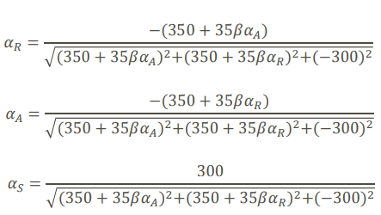

 | Start | 1 | 2 | 3 | 4 | 5 | 6 | 7
b | 3.00 | 3.76 | 3.75 | 3.74 | 3.74 | 3.74 | 3.74 | 3.74
aR | 1.00 | -0.64 | -0.55 | -0.56 | -0.56 | -0.56 | -0.56 | -0.56
aA | 1.00 | -0.64 | -0.55 | -0.56 | -0.56 | -0.56 | -0.56 | -0.56
aS | 1.00 | 0.42 | 0.62 | 0.61 | 0.61 | 0.61 | 0.61 | 0.61
dg/duR | 455.00 | 265.71 | 277.54 | 276.36 | 276.48 | 276.47 | 276.47 | 276.47
dg/duA | 455.00 | 265.71 | 277.54 | 276.36 | 276.48 | 276.47 | 276.47 | 276.47
dg/duS | -300.00 | -300.00 | -300.00 | -300.00 | -300.00 | -300.00 | -300.00 | -300.00
den | 709.96 | 480.84 | 494.02 | 492.70 | 492.83 | 492.82 | 492.82 | 492.82

error | x | 0.76 | -0.01 | 0.00 | 0.00 | 0.00 | 0.00 | 0.00

